layout
DATASET
datasetID
datasetName
datasetPublisher
datasetPublisherContact
license
rightsHolder
modified
bibliographicCitation
citationIdentifier
citationURL
datasetSource
datasetFileName
dataRecorder
dataRecorderContact
dataReviewer
dataReviewerContact
language
datasetGeneralizations
datasetRemarks
SITE
siteID
datasetID
continent
country
municipality
locality
verbatimLocality
siteName
siteNesting
localityArea
siteArea
siteShape
centroidDecimalLatitude
centroidDecimalLongitude
centroidGeodeticDatum
coordinatePrecision
footprintWKT
footprintSRS
georeferenceRemarks
minimumElevationInMeters
maximumElevationInMeters
siteCategoryID
landcover x habitat
EVENT or Inventory?
eventID
siteID
datasetID
startYear
startMonth
startDay
endYear
endMonth
endDay
eventDate
start time
end time
surveyTimeBlocks
number of time units spent surveying in each block
temporalUnit
studyDiurnality
studySeason
samplingEffort
samplingEffortUnit
weather
methodID
measurementUnitID
eventRemarks
recordedBy
MEASUREMENT
eventID
speciesID
measurementValue
measurementRemarks
SPECIES
speciesID
scientificName
verbatimIdentification
class
order
family
identificationRemarks

one menthod per event??? Or conect to the measurement table??

METHOD
methodID
measurementType
measurementMethod

ABUNDANCE BIOMASS CATEGORY
measurementUnitID
measurementUnit
measurementUnitCategory
measurementUnitClassification

relations
one dataset can include more sites
one site can include more events
one event can include more measurements
one measurement can include only one event and only one specie

SPECIES
DATASET
SITE
EVENT
MEASUREMENT

EVENT
SITE
MEASUREMENT

SITE
EVENT
MEASUREMENT

SITE CATEGORY
METHOD

one site can include only one site category
AB CATEGORY

one event can include only one method and one AB category

layout old
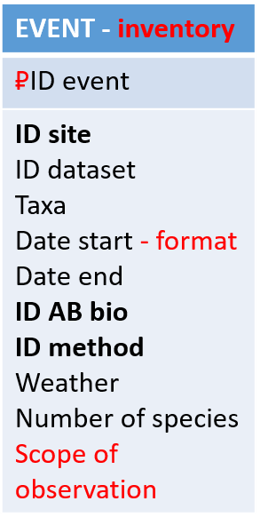
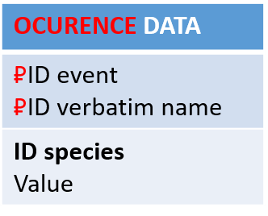
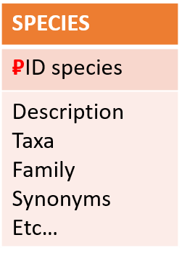
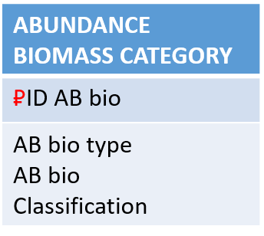
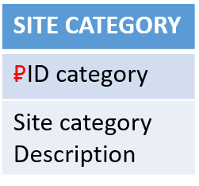
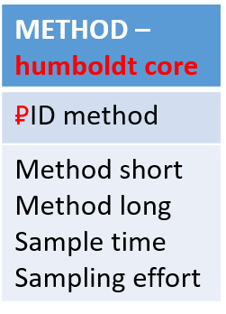
not updated yet - waiting for the final decisions about structure

layout orig
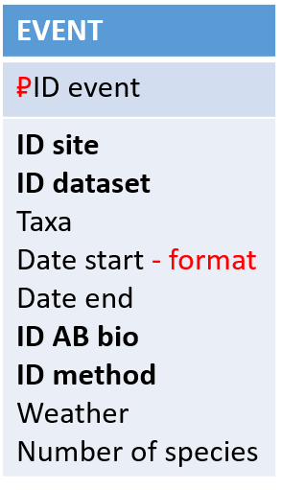
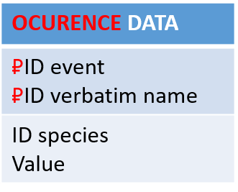
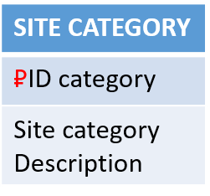
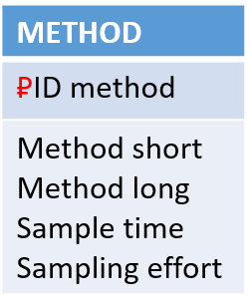
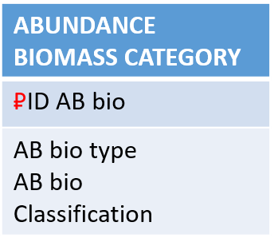
first version from Klara and Petr

